8
Name: | Guest Travel Credit Balance Report
Description: | Provides the guest credit balance at a point in time (as defined by the report parameters)
Historic Data Requirement: (No. of historical years/months to be retained) | 5 years (since 2018)
Data Source | Intelisys
Replaced product (if) | Iotaware report – Credit Balance report
Supporting Files | see below current report with headers and two lines of data examples
Required Filters | Would like ability to filter by all required fields.
Department responsible for product | Finance
Who is the Business Owner? | Shelley
Data Sharing Policy | To be used by revenue accounting, Access to other groups to be provided as required.
Other comments

Current report
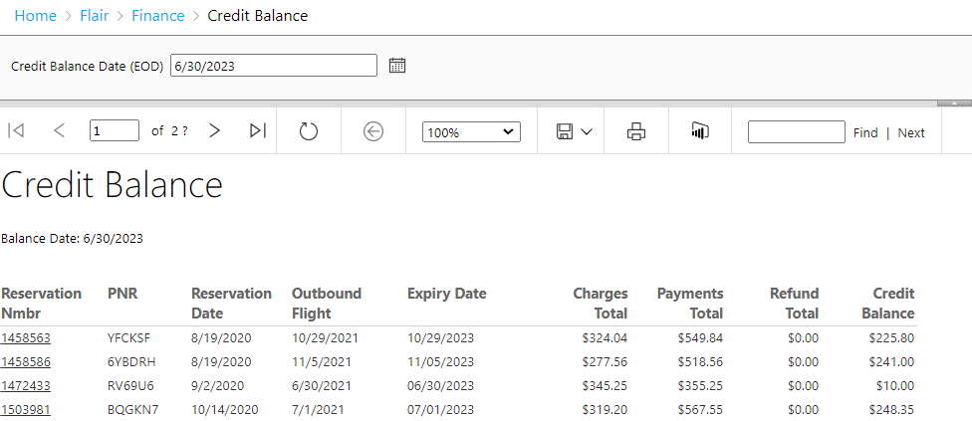

Field name/Header | Example of data | Required (Y/N) | Description | Source table | Business Logic/Rule (if known)
Reservation Nmbr | 14558563 | Y | reservation number
PNR | YFCKSF | Y | pnr number
Reservation Date | 8/19/2020 | Y | date of original reservation/sale made
Outbound flight | 10/29/2021 | Y | flight date of reservation |  | If more than one segment, will need to determine rule. Not sure what is used today
Expiry Date | 10/29/2023 | Y | Date credit will expire |  | as per system set up
charges total | $324.04 | Y
Paymets total | $549.84 | Y
Refund Total | $- | Y
Credit Balance | $225.80 | Y |  |  | Excludes any credits where the expiry date has passed at the point the report selected date is.

11
Name: | Monthly Revenue Summary
Description: | Provides a daily summary of Fare and Ancillary for revenue analysis
Historic Data Requirement: (No. of historical years/months to be retained) | 5 years (since 2018)
Data Source | Intelisys & MISChoice
Replaced product (if) | Iotaware report – Monthly Revenue Summary
Supporting Files | see below current report with headers and two lines of data examples
Required Filters | Would like ability select dates AND by source (Amelia or MISChoice)
Department responsible for product | Finance
Who is the Business Owner? | Shelley
Data Sharing Policy | To be used by revenue accounting, Access to other groups to be provided as required.
Other comments

Current report
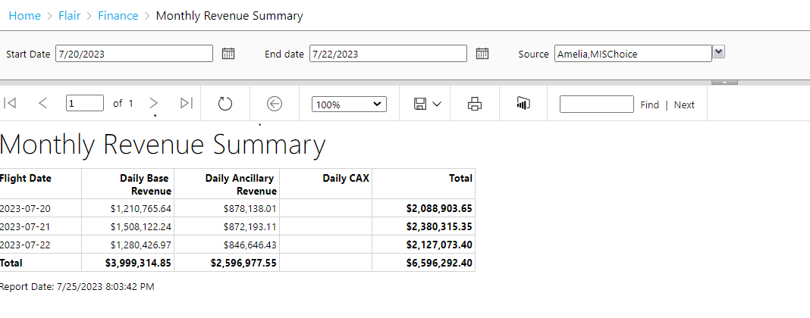

Business Requirements
Field name/Header | Example of data | Required (Y/N) | Description | Source table | Business Logic/Rule (if known)
Flight Date | 2023-07-20 | Y | Date
Daily Base revenue | $1,210,765.64 | Y | daily base revenue
Daily Ancillary reveue | $878,138.01 | Y | daily ancillary revenue
Daily CAX |  | N
Total | $2,088,903.65 | Y | daily sum of Base and ancillary revenue

12
Name: | Monthly Sales summary report
Description: | Daily summary of sales by Fare, Ancillary, FlowThru and Taxes (including daily total sales)
Historic Data Requirement: (No. of historical years/months to be retained) | 5 years (since 2018)
Data Source | Intelisys & MISChoice
Replaced product (if) | Iotaware report –Monthly Sales Summary
Supporting Files | see below current report with headers and two lines of data examples
Required Filters | Would like ability select dates AND by source (Amelia or MISChoice)
Department responsible for product | Finance
Who is the Business Owner? | Shelley
Data Sharing Policy | To be used by revenue accounting, Access to other groups to be provided as required.
Other comments

Current report
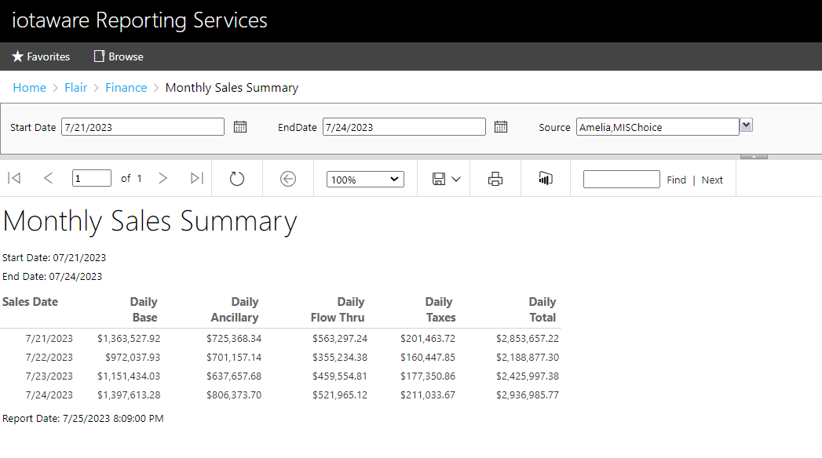

Field name/Header | Example of data | Required (Y/N) | Description | Source table | Business Logic/Rule (if known)
Sales Date | 2023-07-20 | Y | Date of summarized sales amounts. NOTE: want to have dates in date format so reports can be sorted if required (same as found on monthly revenue report)
Daily Base | $1,363,527.92 | Y | daily sum of base fare
Daily Ancillary | $725,368.34 | Y | daily sum of ancillary fare
Daily Flow Thru | $563,297.24 | Y | daily sum of thru fare
Daily Taxes | $201,463.72 | Y | daily sum of taxes fare
Daily total | $2,853,657.22 | Y | daily sum of base, ancillary, flow thru and taxes

13
Name: | Unflown revenue Summary
Description: | Provides the Fare and Ancillary unflown at a point in time (based on date parameter chosen for report)
Historic Data Requirement: (No. of historical years/months to be retained) | 5 years (since 2018)
Data Source | Intelisys & MISChoice
Replaced product (if) | Iotaware report – Unflown Revenue Summary
Supporting Files | see below current report with headers and two lines of data examples
Required Filters | Would like ability to filter by all required fields.
Department responsible for product | Finance
Who is the Business Owner? | Shelley
Data Sharing Policy | To be used by revenue accounting, Access to other groups to be provided as required.
Other comments

Current report
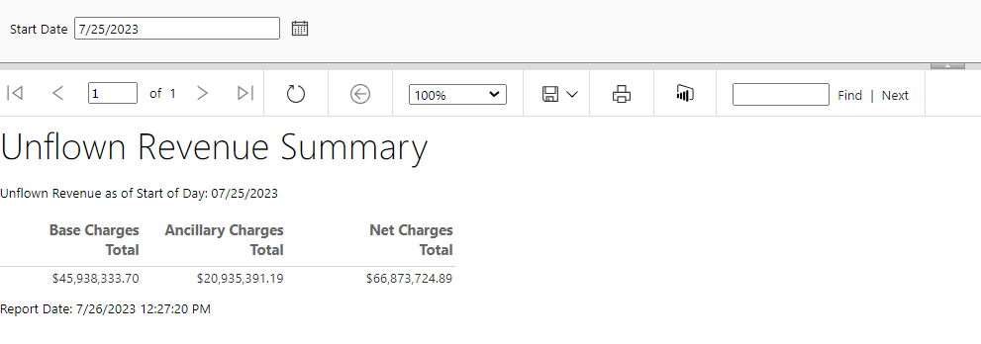

Business Requirements
Field name/Header | Example of data | Required (Y/N) | Description | Source table | Business Logic/Rule (if known)
By flight month | Jan | Y | Would like to have this report provided by flight month of unflown not just one number.
Base Charges Total | $45,938,333.70 | Y | Sum of base charges for bookings at a pont in time (based on the date selected) that are unflown
Ancillary Charges Total | $20,935,391.19 | Y | Sum of ancillary charges for bookings at a point in time (date selected) that are unflown
Net Charges Total | $66,873,724.89 | Y | Base + Ancillary

14
Name: | Unflown revenue
Description: | Unflown revenue detailed report includes all reservtions and break down of fare, ancillary, flow thru and taxes for all segments unflown at a point in time based on the selected dated selected in the filter
Historic Data Requirement: (No. of historical years/months to be retained) | 5 years (since 2018)
Data Source | Intelisys & MISChoice
Replaced product (if) | Iotaware report –Unflown Report
Supporting Files | see below current report with headers and two lines of data examples
Required Filters | Would like ability to filter by all required fields.
Department responsible for product | Finance
Who is the Business Owner? | Shelley
Data Sharing Policy | To be used by revenue accounting, Access to other groups to be provided as required.
Other comments | Could make this report fewer lines if the base, Ancillary, Flow Thru, were columns as well for each reservation rather than each having an individual line for the categories. And net amounts.

Current report
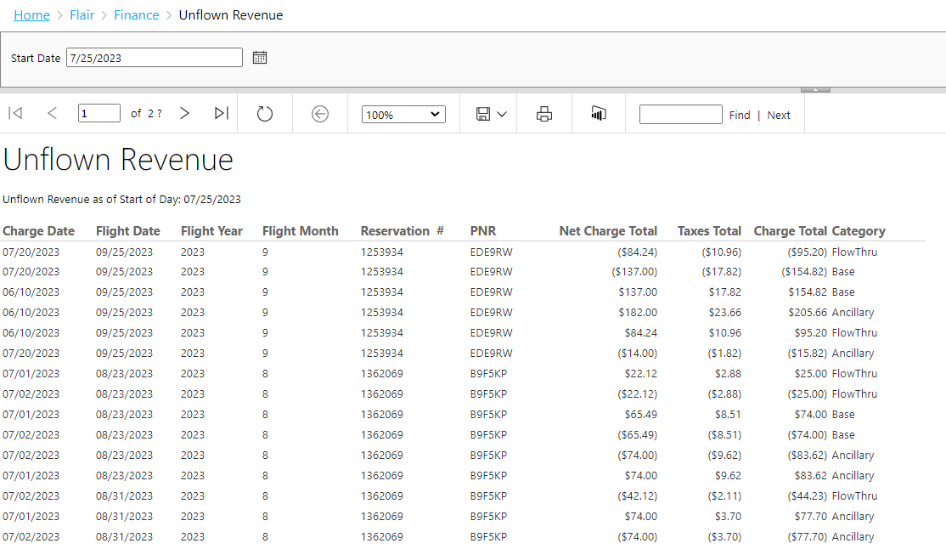

Same report desired with slightly modifid layout
NEW layout |  |  |  |  |  | modify Category from row to columns
Charge Date | Flight Date | Flight Year | Flight Month | Rservation | PNR | Base | Ancillary | FlowThru | Total Taxes | Net Charge Total

